Dala Sales & Deliveries
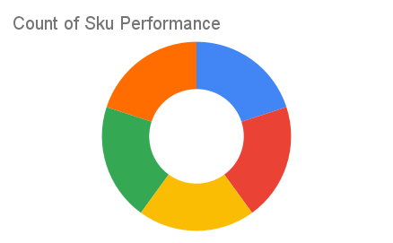
Total Invoices Delivered | 18.00 | Sku Performance | Units | Value
Unique Locations Supplied | 15.00 | 350ml Orisirisi Wallnut Drink (12x) | 1.50 | 32,400.00
Total Value of orders | 497,400.00 | 350ml Orisirisi Wallnut with Ginger Drink (12x) | 5.50 | 118,800.00
 |  | 500ml Orisirisi Tiger Nut Drink (12x) | 7.00 | 192,600.00
 |  | 500ml Orisirisi Zobo Drink (12x) | 1.50 | 36,000.00
 |  | 500ml Orisirisi Zobo with Date Drink (12x) | 5.00 | 117,600.00
 |  |  | 0.00 | 0.00
 |  |  | 0.00 | 0.00
 |  |  | 0.00 | 0.00
 |  |  | 0.00 | 0.00
 |  |  | 0.00 | 0.00
 |  |  | 0.00 | 0.00
 |  |  | 0.00 | 0.00

